Pivottables2
Row Labels | Sum of Income | Sum of Income2 |  |  |  |  | X | Y | Amount | Max | Without Max | Count | Count%
Usage fees | 168000 | 20.93% |  |  |  | Usage fees | 1 | 3 | 168,000 |  | 168,000 | 11,856 | 10%
Subscription | 123876 | 15.43% |  |  |  | Subscription | 7 | 2 | 123,876 |  | 123,876 | 13,188 | 11%
Renting | 58524 | 7.29% |  |  |  | Renting | 4 | 1 | 58,524 |  | 58,524 | 16,488 | 14%
Licensing | 150924 | 18.80% |  |  |  | Licensing | 2 | 8 | 150,924 |  | 150,924 | 72,768 | 62%
Asset sale | 79200 | 9.87% |  |  |  | Asset sale | 6 | 6 | 79,200 |  | 79,200 | 26 | 0%
Advertising | 222096 | 27.67% |  |  |  | Advertising | 5 | 9 | 222,096 | 222,096 |  | 2,844 | 2%
Grand Total | 802620 | 100.00%

Sum of Income | Sum of Target Income |  | Income | Target | Avg.Income by Month |  | Operating Profits
802,620 | 898,932 |  | 89% | 11% | 66,885 |  | 160,500

Row Labels | Sum of Income | Sum of Income2 |  |  | Row Labels | Sum of Income | Sum of Counts | Sum of Counts2 |  | Row Labels | Sum of Operating profit |  |  |  |  | Row Labels | Sum of Income | Sum of Income2
Jan | 66,885 | 66885 |  |  | Usage fees | 168000 | 11856 | 10.12% |  | Jan | 13375 |  |  |  |  | B2B | 432462 | 53.88% | B2B: | 432,462 | 53.88%
Feb | 66,885 | 66885 |  |  | Subscription | 123876 | 13188 | 11.26% |  | Feb | 13375 |  |  |  |  | B2C | 370158 | 46.12% | B2C: | 370,158 | 46.12%
Mar | 66,885 | 66885 |  |  | Renting | 58524 | 16488 | 14.07% |  | Mar | 13375 |  |  |  |  | Grand Total | 802620 | 100.00%
Apr | 66,885 | 66885 |  |  | Licensing | 150924 | 72768 | 62.10% |  | Apr | 13375
May | 66,885 | 66885 |  |  | Asset sale | 79200 | 26 | 0.02% |  | May | 13375
Jun | 66,885 | 66885 |  |  | Advertising | 222096 | 2844 | 2.43% |  | Jun | 13375
Jul | 66,885 | 66885 |  |  | Grand Total | 802620 | 117170 | 100.00% |  | Jul | 13375
 |  | Percentage
 | 1 | 89%
 | 1 | 11%
 | 1
 | 1
 | 1
 | 1
 | 1
 | 1
 | 1
 | 1
 | 1
 | 1
 | 1
 | 1
 | 1
 | 1
 | 1
 | 1
 | 1
 | 1
 | 1
 | 1
 | 1
 | 1
 | 1
 | 1
 | 1
 | 1
 | 1
 | 1
 | 1
 | 1
 | 1
 | 1
 | 1
 | 1
 | 1
 | 1
 | 1
 | 1
 | 1
 | 1
 | 1
 | 1
 | 1
 | 1
 | 1
 | 1
 | 1
 | 1
...
Aug | 66,885 | 66885 |  |  |  |  |  |  |  | Aug | 13375
Sep | 66,885 | 66885 |  |  |  |  |  |  |  | Sep | 13375
Oct | 66,885 | 66885 |  |  |  |  |  |  |  | Oct | 13375
Nov | 66,885 | 66885 |  |  |  |  |  |  |  | Nov | 13375 |  | Row Labels | Sum of Income | Sum of Income2
Dec | 66,885 | 66885 |  |  |  |  |  |  |  | Dec | 13375 |  | B2B | 432462 | 53.88% | Income | Target
Grand Total | 802,620 | 802620 |  |  |  |  |  |  |  | Grand Total | 160500 |  | B2C | 370158 | 46.12% | 89% | 11%
 |  |  |  |  |  |  |  |  |  |  |  |  | Grand Total | 802620 | 100.00%

Income Sources
Cleo Laboratories
Projects Status
Geographically
Income Sources
Sales Process

 | Income Sources | Max
1 | 3 | 3
7 | 2 | 2
4 | 1 | 1
2 | 8 | 8
6 | 6 | 6
5 | 9 | 9
Average
Monthly Income
66,885
μ
Income Sources

highlight for most valuable source, Marketing strategies, and operating profit.
 |  | Percentage
 | 1 | 89%
 | 1 | 11%
 | 1
 | 1
 | 1
 | 1
 | 1
 | 1
 | 1
 | 1
 | 1
 | 1
 | 1
 | 1
 | 1
 | 1
 | 1
 | 1
 | 1
 | 1
 | 1
 | 1
 | 1
 | 1
 | 1
 | 1
 | 1
 | 1
 | 1
 | 1
 | 1
 | 1
 | 1
 | 1
 | 1
 | 1
 | 1
 | 1
 | 1
 | 1
 | 1
 | 1
 | 1
 | 1
 | 1
 | 1
 | 1
 | 1
 | 1
 | 1
...
Advertising
Operating
Profits
Licensing

Financial Statistics
898,932
Income Target
802,620
 | Total
Jan | 13375
Feb | 13375
Mar | 13375
Apr | 13375
May | 13375
Jun | 13375
Jul | 13375
Aug | 13375
Sep | 13375
Oct | 13375
Nov | 13375
Dec | 13375

Asset sale
89%
Income Achieved
 | Sum of Income | Sum of Income2
Jan | 66,885 | 66885
Feb | 66,885 | 66885
Mar | 66,885 | 66885
Apr | 66,885 | 66885
May | 66,885 | 66885
Jun | 66,885 | 66885
Jul | 66,885 | 66885
Aug | 66,885 | 66885
Sep | 66,885 | 66885
Oct | 66,885 | 66885
Nov | 66,885 | 66885
Dec | 66,885 | 66885

160,500

Quantity of Item's
Usage fees
B2C
B2B
Usage fees
Subscription
Renting
Licensing
Asset sale
Advertising
10%
11%
14%
62%
0%
2%
11,856
13,188
16,488
72,768
26
2,844
•
46.12%
53.88%
•
370,158
432,462
•
Subscription
 | Sum of Income | Sum of Income2
B2B | 432462 | 53.88%
B2C | 370158 | 46.12%
•
•
Renting
•

Geographically
Cleo Laboratories
Projects Status
Geographically
Income Sources
Sales Process

Financial Statistics
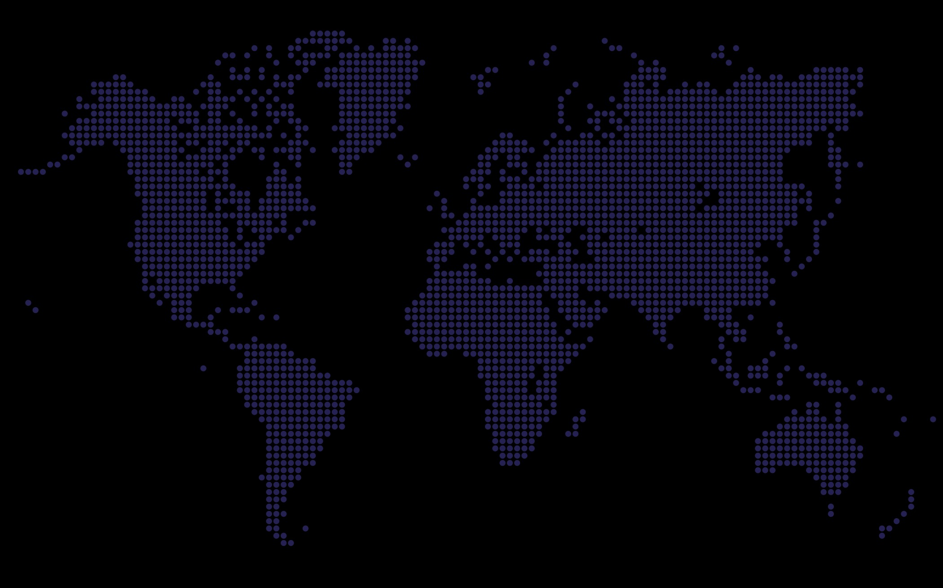

•
•
•
•
Russia
187,412
$1,169,400
Canada
125,960
•
•
•
•
•
•
United Kingdom
167,840
•
•
•
•
•
•
•
•
•
•
•
•
•
•
•
•
•
•
•
•
•
•
•
•
•
•
•
•
•
•
•
 | Egypt | USA | Russia | United Kingdom | Canada | Brazil
 | 31% | 17% | 16% | 14% | 11% | 11%
•
•
•
•
•
•
•
•
USA
197,480
•
•
•
•
•
•
•
•
•
•
•
•
•
•
Egypt
364,236
=
Egypt
364236
31.15%
USA
197480
16.89%
Russia
187412
16.03%
United Kingdom
167840
14.35%
Brazil
126472
10.82%
Canada
125960
10.77%
•
•
•
•
•
•
•
•
•
•
•
•
•
•
•
•
•
•
•
•
•
•
•
•
•
•
Brazil
126,472
•
•
•
•
•
•
•
•
•
•
•
•
•
•
•
•
•
•
•
•
•
•
•
•
•
•
•
•
•
•

Remaining Percentage | 34%
Actual | 66%
•
•
•
•
•
•
•
•
•
•
•
•
•
•
•
•
•
•
•
•
•
•
•
•
•
•
•
•
•
•
•
•
•
•
•
•
•
•
•
•
•
•
66%

Sale Percentage
Achieved

Sales Process
Cleo Laboratories
Projects Status
Geographically
Income Sources
Sales Process

Projects Status
Cleo Laboratories
Projects Status
Geographically
Income Sources
Sales Process

